Dashboard
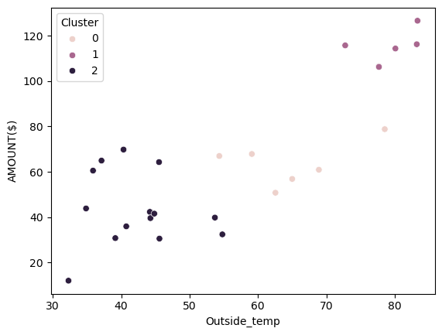
Analysis on Montly spend on power bill
By implementing K-mean over my power bill historical records (3 years) I can segment and see what temperature range:
1 - forces more energy consumption= more spend😭(no shopping)
2 - allows me the most savings = less spend🤑 (afford a bit of more shopping)
3 - helps me stay on budget 💵 (ensure I commit with my montly savings)

 |  |  |  |  | Cluster Centers
 |  |  |  | Cluster | AMOUNT($) | Usage(kwh) | Outside_temp | Criteria
 |  |  |  | 0 | 0.4510795339 | 0.54276178557 | 0.63583512966 | Help me stay on budget
 |  |  |  | 1 | 0.89233719815 | 0.90446391322 | 0.91769547325 | Cost me the most
 |  |  |  | 2 | 0.27444985491 | 0.3524047917 | 0.19767083788 | Save me the most
Elbow plot
2 | 2.0627810425
3 | 1.1426153655
4 | 0.64546860202
5 | 0.4839625229
6 | 0.38805804777
7 | 0.27509716273
8 | 0.18386472382
9 | 0.14878131154
10 | 0.12848925823
What's temperature range?

 | Min | Max
Helps me stay on budget | 54 | 79 | 💵
Costs me the most | 73 | 83 | 😭
Saves me the most | 32 | 55 | 🤑

Power bill vs Outside_temp
 | AMOUNT($) | Outside_temp
3/17/2026 | $42.32 | 44
2/17/2026 | $43.83 | 35
1/16/2026 | $39.56 | 44
12/16/2025 | $41.55 | 45
11/13/2025 | $39.80 | 54
10/16/2025 | $60.92 | 69
9/16/2025 | $78.82 | 79
8/19/2025 | $116.29 | 83
7/15/2025 | $106.47 | 78
6/10/2025 | $56.86 | 65
5/16/2025 | $32.39 | 55
4/15/2025 | $30.53 | 46
3/17/2025 | $30.75 | 39
2/17/2025 | $11.96 | 32
1/21/2025 | $64.95 | 37
12/19/2024 | $35.93 | 41
11/18/2024 | $50.77 | 63
10/14/2024 | $115.79 | 73
9/17/2024 | $114.41 | 80
8/15/2024 | $126.67 | 83
7/16/2024 | $106.29 | 78
6/17/2024 | $67.87 | 59
5/16/2024 | $66.98 | 54
4/16/2024 | $64.28 | 46
3/15/2024 | $69.81 | 40
2/19/2024 | $60.53 | 36

